Modal 2
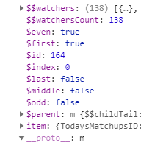
Parent id | TodaysMatchupsContainer
Modal id | AdjustmentsByTeamModal

css | #AdjustmentsByTeamModal
 | AdjustmentsByTeamModalController

 | ng-click="CloseModal(this, 'AdjustmentsListContainer', 'AdjustmentsModal', 'eventGetAdjustments' )"

 |  |  | id | first | even
 | GS | Away | 164 | TRUE | TRUE

Publish
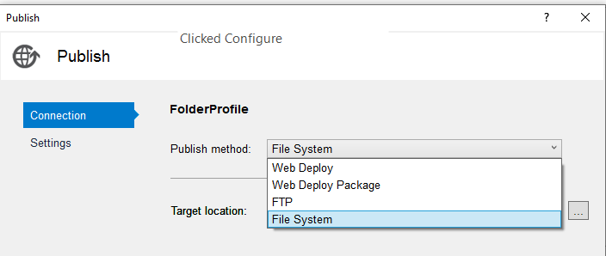
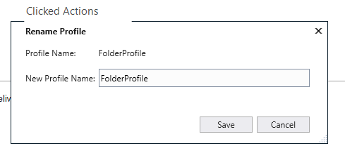
rt clk Startup proj | <li>rt clk Startup proj</li>
Publish | <li>Publish</li>
Click Configure to change Target location
Click Publish
Start | <li>Start</li>
Folder | <li>Folder</li>
/wwwroot/Test/TtiPoc/TtiPoc/bin/Release/Publish | <li>/wwwroot/Test/TtiPoc/TtiPoc/bin/Release/Publish</li>
Copied Publish to ttipoc.com in Arvixe | <li>Copied Publish to ttipoc.com in Arvixe</li>

T:\BballMVC
Publish to BballMVCproject
Rename BballMVCproject_yyyy-mm-dd

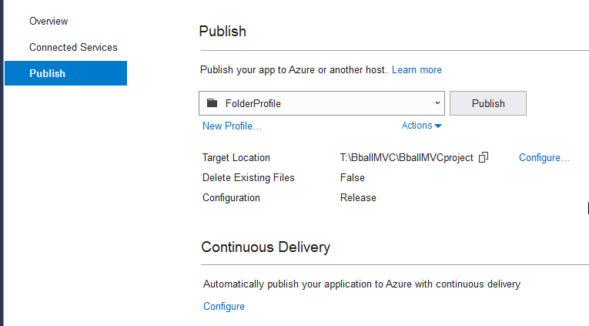
Try Web Deploy for TtiPoc

TS Doc
 | Items 1 & 2
 | 1 & 2 - From Adjusted BxSc Stats using TeamAvgGamesBack

 | tm.[Away/Home]AveragePts[Scored/Allowed]
 | @Pt1 * tAwayGB10.AverageMadeUsPt1 + @Pt2 * tAwayGB10.AverageMadeUsPt2 + @Pt3 * tAwayGB10.AverageMadeUsPt3 as AwayAveragePtsScored
 | GB10 = @varTeamAvgGB
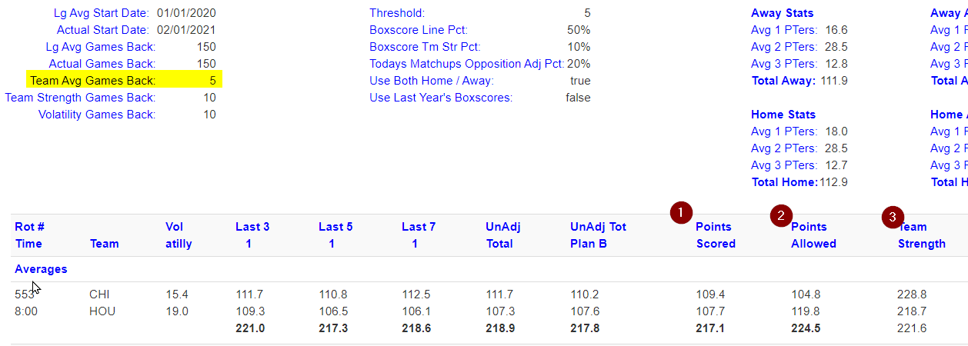
 | tAwayGB10 | TSA Away GB = TeamAvgGamesBack

 | AverageMadeUsPt1 |  | From Q1.Boxscores

 | Item 3
 | tm.TmStr[Venue] = ts.TeamStrength
2.1 | ts.TeamStrength = ts.AvgTmStrPtsScored + ts.AvgTmStrPtsAllowed
3.1 | TeamStrengthBxScAdjPctScored
 | = @LgAvgTeamScored / ts.AvgTmStrPtsScored
 | ex: 110 / 120 &LT ONE <-- Hi Score Tm

 | TS Stats
 | TS
 | TS Sc / Allow
 | TeamStrengthBxScAdjPctScored
 | TeamStrengthTMsAdjPctScored

 | From SP |  | From SP | In Table
 | TeamStrengthScored |  | 107.5 | 107.4
 | TeamStrengthAllowed |  | 116.8 | 107.2

